Resultados
metascape | string

controle | controle

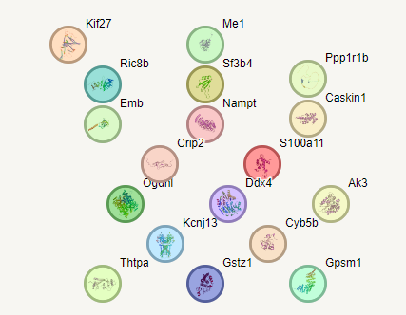
tratado

